About
FoPITY Fraction of Policy Implemented This Year

Source: | Shape of COVID-impacted GDP recovery - India |  |  |  |  | Shape of COVID-impacted GDP recovery - Global
 | RaboResearch - Hugo Erken |  |  |  |  | Harvard Business Review
 | Apr-20 |  |  |  |  | Mar-20
 | India: Extended lockdown causes further economic distress |  |  |  |  | What Coronavirus Could Mean for the Global Economy
 | https://economics.rabobank.com/publications/2020/april/india-extended-lockdown-causes-further-economic-distress/ |  |  |  |  | https://hbr.org/2020/03/what-coronavirus-could-mean-for-the-global-economy
 | Figure 2 |  |  |  |  | Figure 2: 'Prior Pandemics Were all V-Shaped'

 | Reserve Bank of India (via Economic Times) |  |  |  |  | Estimates for BAU GDP, Alt GDP and GDP Impact
 | Apr-20 |  |  |  |  | See variable ctrl-settings/GDPGR
 | RBI Governor expects V-shaped recovery for India in 2021-22
 | https://economictimes.indiatimes.com/news/economy/indicators/rbi-governor-hopes-india-will-stage-sharp-v-shaped-recovery-in-2021-22/articleshow/75196698.cms

 | Goldman Sachs (via LiveMint)
 | May-20
 | India’s GDP to shrink 45% in Q1FY21: Goldman Sachs
 | https://www.livemint.com/news/india/indian-economy-may-contract-by-45-in-june-quarter-goldman-sachs-11589728732340.html
Other values intended to be user-specified, with no source needed.

Notes:
In the Vensim model, the user may set each policy lever to a particular setting.
That setting corresponds to a value of "1" (full implementation at the user's
setting) in this spreadsheet. You may control the timing and rate of policy
implementation by altering the values on the "Set Schedules Here" tab.

All implementation percentages should be between "0" and "1" (inclusive).
Years 2018 and 2050 must be specified. Other years are optional. The model
interpolates linearly between those years that are specified.

Boolean policies (those that can be only on or off, such as appliance labeling)
cannot be set to an intermeciate value (all values above zero will be treated
as "1"), but you can schedule them to turn on and off in various years.
For example, you could schedule the appliance labeling policy to only
operate in years 2021-2028 by setting the following schedule:
2019 | 2020 | 2021 | 2028 | 2029 | 2050
0 | 0 | 1 | 1 | 0 | 0

Permitted and Disallowed Excel Operations
You must not alter the formulas on the blue export tabs. These
formulas refer to the green tab, and if you do certain Excel operations
on the green tab, this can alter the formulas on the blue tabs.
Therefore, you may not use any of the following operations
when setting your schedules on the green tab:
X | Deleting one or more cells, causing other cells to shift leftward or upward
X | Cut-and-paste
X | Selecting one or more cells, and dragging and dropping this group of cells to a different spot on the sheet

The following operations can safely be used on the green tab
without altering the formulas on the blue tabs:
✓ | Copy-and-paste
✓ | Manually typing numbers into cells
✓ | Dragging the handle at the lower right corner of a cell to fill formulas/values in a direction

Creating Multiple Schedules
Often, it is desirable to have different policy implementation schedules
for different scenarios. In order to do this:
1. Make a copy of this Excel file, in the same folder as the original
2. Update the filename by incrementing the number and changing the
 | description. For example, if the file you copied was named
 | Frac of Pol Impl This Yr - 1 - Default.xlsx
 | then you might change the name to
 | Frac of Pol Impl This Yr - 2 - My Scenario.xlsx
3. Open the new Excel file and increment the number in the names of
 | the two blue tabs. In our example, they would read
 | FoPITY-2
 | FoPITY-2-WebApp
4. Alter the policy schedule as desired. Save the Excel file.
5. Export .csv versions of the blue tabs, naming the files with the
 | blue tab names, as normal.
6. If the new scenario will be used as a reference scenario in the web
 | app, update the info on the "ReferenceScenarios" tab of
 | WebAppData.xlsx to reflect the new scenario and schedule.

2019 | 0
2020 | 0
2021 | 0.02264814028
2022 | 0.029464471374
2023 | 0.038253208866
2024 | 0.049531718844
2025 | 0.063917956398
2026 | 0.082127169224
2027 | 0.10495145823
2028 | 0.13321313648
2029 | 0.16768294324
2030 | 0.20895842738
2031 | 0.25730860691
2032 | 0.31250885313
2033 | 0.373710396
2034 | 0.43940070146
2035 | 0.5075
2036 | 0.57559929854
2037 | 0.641289604
2038 | 0.70249114687
2039 | 0.75769139309
2040 | 0.80604157262
2041 | 0.84731705676
2042 | 0.88178686352
2043 | 0.91004854177
2044 | 0.93287283078
2045 | 0.9510820436
2046 | 0.96546828116
2047 | 0.97674679113
2048 | 0.98553552863
2049 | 0.99235185972
2050 | 0.99761910618
Schedules for Non-R&D and R&D Policies
By default, most non-R&D policies either are scheduled to be fully implemented
in the second year of the model run and to remain implemented through the
rest of the model run, or they are scheduled to be implemented linearly,
reaching full strength in 2030 and to remain at that level through the end
of the model run. (The non-BAU Mandated Capacity Construction
policy is set to 1 in the first year, in case the user wishes to use the Mandated
Capacity Construction Schedule to specify things that actually were built in the
first model year.)

R&D policies follow a portion of an S-curve, also reaching "1" in
the end year. All three of these default patterns are examples chosen to
be reasonable, to provide guidance to the model user when setting his/her
desired implementation schedules.

Sigmoidal Curve Values for R&D Policies
L | 1.015
k | -0.27
Xo | -14

Rounding
Sometimes rounding error in Excel can cause very small values (e.g. on the order of 10^-13) where there should
be zeroes. This can greatly throw off Vensim's calculations. Therefore, we round all entered values and the
results of all calculations in this spreadsheet to the following number of decimal places:
6 | number of decimal places used for rounding

Conditional Formatting for Green Tab
On the "Set Schedules Here" sheet, conditional formatting is used to quickly and accurately draw solid
borders separating different policies and to color gray cells pertaining to subscripts
marked "NOT USED."
The way these formulas are propagated to all cells in columns A-E
make the formulas difficult to understand or edit. Therefore, the procedure to obtain this formatting
is documented here. This may be useful if changes in policies in future EPS versions require all
conditional formatting to be cleared and re-applied.
Step 1 | Click on a blank cell in column A in the last row for a particular policy.
 | (That is, the policy names in the cells immediately above and below this cell should be different.)
 | In this example, we'll assume you clicked on cell A25.
Step 2 | Choose "Conditional Formatting > New Rule > Use a formula to determine which cells to format"
 | Enter the following formula in the formula box:
 | =AND($A24<>$A26,$A24<>$A$1)
Step 3 | Click the "Format button.
 | Set a solid border only on the bottom of the matching cells.
 | Click OK.
 | Click OK.
 | Verify that the selected cell now has a solid bottom border.
Step 4 | Choose "Conditional Formatting > New Rule > Use a formula to determine which cells to format"
 | Enter the following formula in the formula box:
 | =OR(ISNUMBER(SEARCH("NOT USED",$B24)),ISNUMBER(SEARCH("NOT USED",$B25)))
Step 5 | Click the "Format button.
 | Set a gray fill color for the matching cells.
 | Click OK.
 | Click OK.
 | Verify that cells in columns A-D pertaining to "NOT USED" policy elements have gray fill color.
Step 6 | Copy the selected cell.
 | Select all of columns A-D.
 | In the "Paste" drop-down menu, choose "Formatting (R)"

Adding a New Policy
When adding a new policy by inserting rows on the green "Set Schedules Here" tab, the
conditional formatting won't be applied correctly to those new rows. The quickest and easiest
way to fix this is:

After you are done adding the new policy rows and entering data, select the cells in the new rows
to the left of the policy schedule data (i.e. in columns A through E). In the "Conditional
Formatting" menu in the toolbar, select "Clear Rules > Clear Rules From Selected Cells".

Then copy any cell in colums A through E from a different row (i.e. for a preexisting policy).
Select all the cells from which you cleared the formatting in the step above and choose "Paste > Formatting"

Exogenous GDP Adjustment
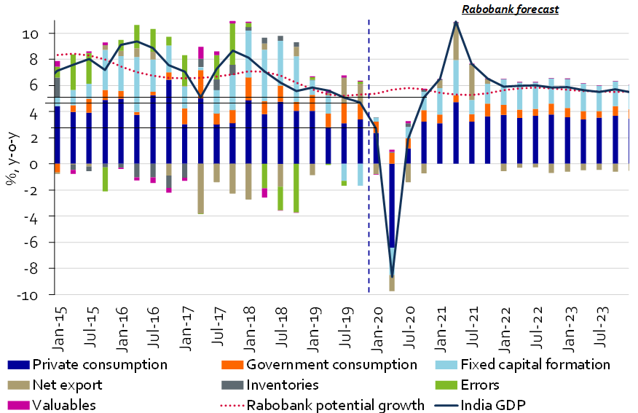
Estimating SARS-CoV-2 Pandemic Impact

Month | GDP Impact | Alt GDP | BAU GDP
Jan-20 | 0% | 5.80% | 5.80%
Apr-20 | -5.90% | -0.10%
Jan-21 | -2.95% | 2.85%
Apr-21 | 0% | 5.80%

Notes:
The popular expert opinion (as of April 2020) for base case scenarios for the shape of GDP recovery, where lockdown
restrictions are assumed to be able to contain the virus spread, is typically V-shaped.
An analysis in late-April 2020, by RaboResearch, indicates that the peak trough will be experienced in April 2020,
and more recent analysis by Goldman Sachs expects a slower recovery than before, only by Q2 2021.

Based on the above, we assume a counterfactual BAU GDP to be achievable only by Q2 2021 in the V-shaped curve.
(For BAU GDP, Avg. GDP Impact, and Alternate GDP - we use avg. of a range of estimates-See ctrl-settings/GDPGR) |  |  |  |  | Source: RaboResearch
 |  |  |  |  | https://economics.rabobank.com/publications/2020/april/india-extended-lockdown-causes-further-economic-distress/

Year | GDP Impact | Impact Relative to 2020 |  | Fraction of Impact Carried to Following Year
2020 | -5.90% | 100.00% |  | 50.0%
2021 | -2.95% | 50.00%
2022 | -0.80% | 25.00%
2023 | -0.40% | 12.50%
2024 | -0.20% | 6.25%
2025 | -0.10% | 3.13%
2026 | -0.05% | 1.56%
2027 | -0.03% | 0.78%
2028 | -0.01% | 0.39%
2029 | -0.01% | 0.20%
2030 | 0.00% | 0.10%
2031 | 0.00% | 0.05%

